Stripper Hold Down
6574 Spring Calculator
Stripper Hold Down | Value | Units | Notes
Positions
1st Point Length | 2.05 | in | 1st point is initial loaded length
2nd Point Length | 1.86 | in | 2nd point is fully loaded length

Spring
Material | SS |  | MW (music wire), SS (Stainless Steel)
OD | 0.48 | In | Century Spring 71571S
Wire Dia | 0.063 | In
Free length | 2.25 | In
Rate | 21.00 | Lbs / In

Force
1st Point Force | 4.26 | Lbs
2nd Point Force | 8.19 | Lbs

Stress
Active Coils | 12.93 | Coils
Solid Length | 0.94 | In
Stress Correction Factor (K) | 1.23

1st Point Stress | 22.20 | ksi
2nd Point Stress | 42.65 | ksi

Minimum Tensil Strength | 210.00 | ksi
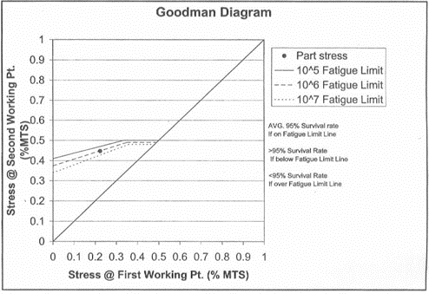
1st Point Ratio | 0.11
2nd Point Ratio | 0.20
10^7 Fatigue 2nd Point Ratio | 0.38

